tiresizing
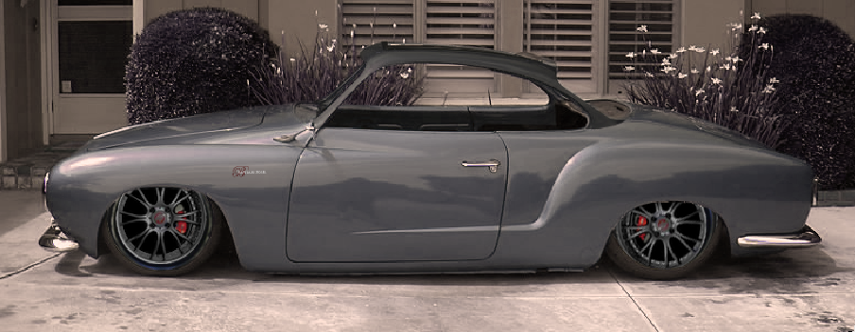

 | Tire/Wheel Sizing Calculator
 | section width | aspect ratio | rim diameter | wheel width (derived in inches) | net combined height | price per tire | notes
Boxster stock front | 205 | 50 | 17 | 8.1 | 25.1 |  | Stock Boxster 17" wheel/tire dimensions (front).
Boxster stock rear | 255 | 40 | 17 | 10.0 | 25.0 |  | Stock Boxster 17" wheel/tire dimensions (rear).

 | 195 | 45 | 18 | 7.7 | 24.9 |  | Impossible to find!
 | 205 | 45 | 18 | 8.1 | 25.3 |  | Hard to find!!
Basilari 306R (front) | 205 | 40 | 18 | 8.1 | 24.5 |  | Found Yokohamas in this size. Slightly smaller than the Boxster fronts.
Basilari 306R (rear) | 215 | 40 | 18 | 8.5 | 24.8 |  | We can go a little wider in the rear due to the Mendeola suspension.

Things in blue can be changed. |  | - Means overall height may be too large. |  |  |  | Check out the Basilari 306R! (http://basilari.com/)
 |  | - Means height is smaller and should fit. |  |  |  | We created this tool to size up some 18"s for this car. Enjoy!

